Lights
STAR WARS REDUX LE
Controlled Lights | Number | location if not obvious |  | VPX update lamps case
l_plans_1 | 1 |  | l_plans_1: type: grb number: 1 default_on_color: f5f5f5 | Case 1: l_plans_1.state = StatePar
l_plans_2 | 2 |  | l_plans_2: type: grb number: 2 default_on_color: f5f5f5 | Case 2: l_plans_2.state = StatePar
l_plans_3 | 3 |  | l_plans_3: type: grb number: 3 default_on_color: f5f5f5 | Case 3: l_plans_3.state = StatePar
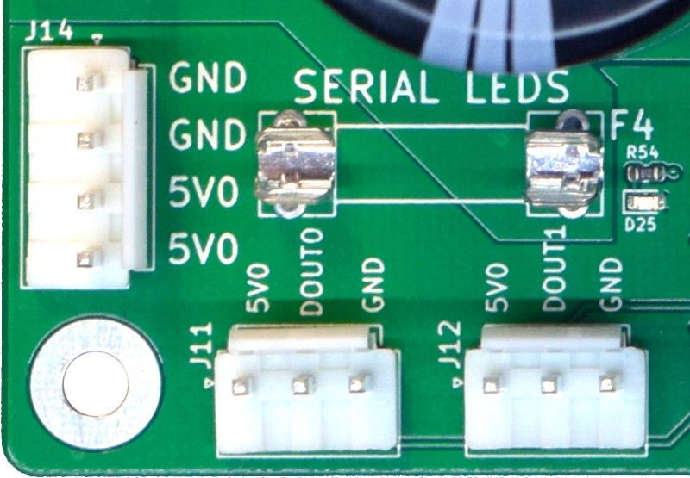
l_greedo_1 | 4 |  | l_greedo_1: type: grb number: 4 default_on_color: f5f5f5 | Case 4: l_greedo_1.state = StatePar
l_greedo_2 | 5 |  | l_greedo_2: type: grb number: 5 default_on_color: f5f5f5 | Case 5: l_greedo_2.state = StatePar
l_greedo_3 | 6 |  | l_greedo_3: type: grb number: 6 default_on_color: f5f5f5 | Case 6: l_greedo_3.state = StatePar
l_advance_1 | 7 | bash l | l_advance_1: type: grb number: 7 default_on_color: f5f5f5 | Case 7: l_advance_1.state = StatePar
l_advance_2 | 8 | bash m | l_advance_2: type: grb number: 8 default_on_color: f5f5f5 | Case 8: l_advance_2.state = StatePar
l_advance_3 | 9 | bash r | l_advance_3: type: grb number: 9 default_on_color: f5f5f5 | Case 9: l_advance_3.state = StatePar
l_advance_4 | 10 | droid l | l_advance_4: type: grb number: 10 default_on_color: f5f5f5 | Case 10: l_advance_4.state = StatePar
l_advance_5 | 11 | droid r | l_advance_5: type: grb number: 11 default_on_color: f5f5f5 | Case 11: l_advance_5.state = StatePar
l_advance_6 | 12 | right loop | l_advance_6: type: grb number: 12 default_on_color: f5f5f5 | Case 12: l_advance_6.state = StatePar
l_escape_1 | 13 |  | l_escape_1: type: grb number: 13 default_on_color: f5f5f5 | Case 13: l_escape_1.state = StatePar
l_escape_2 | 14 |  | l_escape_2: type: grb number: 14 default_on_color: f5f5f5 | Case 14: l_escape_2.state = StatePar
l_escape_3 | 15 |  | l_escape_3: type: grb number: 15 default_on_color: f5f5f5 | Case 15: l_escape_3.state = StatePar
l_tractor_beam | 16 |  | l_tractor_beam: type: grb number: 16 default_on_color: f5f5f5 | Case 16: l_tractor_beam.state = StatePar
l_spinner | 17 |  | l_spinner: type: grb number: 17 default_on_color: f5f5f5 | Case 17: l_spinner.state = StatePar
l_rescue_1 | 18 |  | l_rescue_1: type: grb number: 18 default_on_color: f5f5f5 | Case 18: l_rescue_1.state = StatePar
l_rescue_2 | 19 |  | l_rescue_2: type: grb number: 19 default_on_color: f5f5f5 | Case 19: l_rescue_2.state = StatePar
l_rescue_3 | 20 |  | l_rescue_3: type: grb number: 20 default_on_color: f5f5f5 | Case 20: l_rescue_3.state = StatePar
l_rescue_4 | 21 |  | l_rescue_4: type: grb number: 21 default_on_color: f5f5f5 | Case 21: l_rescue_4.state = StatePar
l_rescue_5 | 22 |  | l_rescue_5: type: grb number: 22 default_on_color: f5f5f5 | Case 22: l_rescue_5.state = StatePar
l_leia_1 | 23 |  | l_leia_1: type: grb number: 23 default_on_color: f5f5f5 | Case 23: l_leia_1.state = StatePar
l_leia_2 | 24 |  | l_leia_2: type: grb number: 24 default_on_color: f5f5f5 | Case 24: l_leia_2.state = StatePar
l_leia_3 | 25 |  | l_leia_3: type: grb number: 25 default_on_color: f5f5f5 | Case 25: l_leia_3.state = StatePar
l_leia_4 | 26 |  | l_leia_4: type: grb number: 26 default_on_color: f5f5f5 | Case 26: l_leia_4.state = StatePar
l_train_1 | 27 |  | l_train_1: type: grb number: 27 default_on_color: f5f5f5 | Case 27: l_train_1.state = StatePar
l_train_2 | 28 |  | l_train_2: type: grb number: 28 default_on_color: f5f5f5 | Case 28: l_train_2.state = StatePar
l_train_3 | 29 |  | l_train_3: type: grb number: 29 default_on_color: f5f5f5 | Case 29: l_train_3.state = StatePar
l_train_4 | 30 |  | l_train_4: type: grb number: 30 default_on_color: f5f5f5 | Case 30: l_train_4.state = StatePar
l_train_5 | 31 |  | l_train_5: type: grb number: 31 default_on_color: f5f5f5 | Case 31: l_train_5.state = StatePar
l_train_6 | 32 |  | l_train_6: type: grb number: 32 default_on_color: f5f5f5 | Case 32: l_train_6.state = StatePar
l_droid_lock | 33 |  | l_droid_lock: type: grb number: 33 default_on_color: f5f5f5 | Case 33: l_droid_lock.state = StatePar
l_l_outlane | 34 |  | l_l_outlane: type: grb number: 34 default_on_color: f5f5f5 | Case 34: l_l_outlane.state = StatePar
l_l_inlane | 35 |  | l_l_inlane: type: grb number: 35 default_on_color: f5f5f5 | Case 35: l_l_inlane.state = StatePar
l_r_outlane | 36 |  | l_r_outlane: type: grb number: 36 default_on_color: f5f5f5 | Case 36: l_r_outlane.state = StatePar
l_r_inlane | 37 |  | l_r_inlane: type: grb number: 37 default_on_color: f5f5f5 | Case 37: l_r_inlane.state = StatePar
l_bonus_2x | 38 |  | l_bonus_2x: type: grb number: 38 default_on_color: f5f5f5 | Case 38: l_bonus_2x.state = StatePar
l_bonus_3x | 39 |  | l_bonus_3x: type: grb number: 39 default_on_color: f5f5f5 | Case 39: l_bonus_3x.state = StatePar
l_bonus_4x | 40 |  | l_bonus_4x: type: grb number: 40 default_on_color: f5f5f5 | Case 40: l_bonus_4x.state = StatePar
l_bonus_5x | 41 |  | l_bonus_5x: type: grb number: 41 default_on_color: f5f5f5 | Case 41: l_bonus_5x.state = StatePar
l_bonus_1 | 42 |  | l_bonus_1: type: grb number: 42 default_on_color: f5f5f5 | Case 42: l_bonus_1.state = StatePar
l_bonus_2 | 43 |  | l_bonus_2: type: grb number: 43 default_on_color: f5f5f5 | Case 43: l_bonus_2.state = StatePar
l_bonus_3 | 44 |  | l_bonus_3: type: grb number: 44 default_on_color: f5f5f5 | Case 44: l_bonus_3.state = StatePar
l_bonus_4 | 45 |  | l_bonus_4: type: grb number: 45 default_on_color: f5f5f5 | Case 45: l_bonus_4.state = StatePar
l_bonus_5 | 46 |  | l_bonus_5: type: grb number: 46 default_on_color: f5f5f5 | Case 46: l_bonus_5.state = StatePar
l_bonus_6 | 47 |  | l_bonus_6: type: grb number: 47 default_on_color: f5f5f5 | Case 47: l_bonus_6.state = StatePar
l_bonus_7 | 48 |  | l_bonus_7: type: grb number: 48 default_on_color: f5f5f5 | Case 48: l_bonus_7.state = StatePar
l_bonus_8 | 49 |  | l_bonus_8: type: grb number: 49 default_on_color: f5f5f5 | Case 49: l_bonus_8.state = StatePar
l_bonus_9 | 50 |  | l_bonus_9: type: grb number: 50 default_on_color: f5f5f5 | Case 50: l_bonus_9.state = StatePar
l_bonus_10 | 51 |  | l_bonus_10: type: grb number: 51 default_on_color: f5f5f5 | Case 51: l_bonus_10.state = StatePar
l_bonus_20 | 52 |  | l_bonus_20: type: grb number: 52 default_on_color: f5f5f5 | Case 52: l_bonus_20.state = StatePar
l_shoot_first | 53 | mission | l_shoot_first: type: grb number: 53 default_on_color: f5f5f5 | Case 53: l_shoot_first.state = StatePar
l_train | 54 | mission | l_train: type: grb number: 54 default_on_color: f5f5f5 | Case 54: l_train.state = StatePar
l_rescue | 55 | mission | l_rescue: type: grb number: 55 default_on_color: f5f5f5 | Case 55: l_rescue.state = StatePar
l_escape | 56 | mission | l_escape: type: grb number: 56 default_on_color: f5f5f5 | Case 56: l_escape.state = StatePar
l_deliver | 57 | mission | l_deliver: type: grb number: 57 default_on_color: f5f5f5 | Case 57: l_deliver.state = StatePar
l_start | 58 | cab start button | l_start: type: grb number: 58 default_on_color: f5f5f5 | Case 58: l_start.state = StatePar
l_shootagain | 59 |  | l_shootagain: type: grb number: 59 default_on_color: f5f5f5 | Case 59: l_shootagain.state = StatePar

modes, rules etc
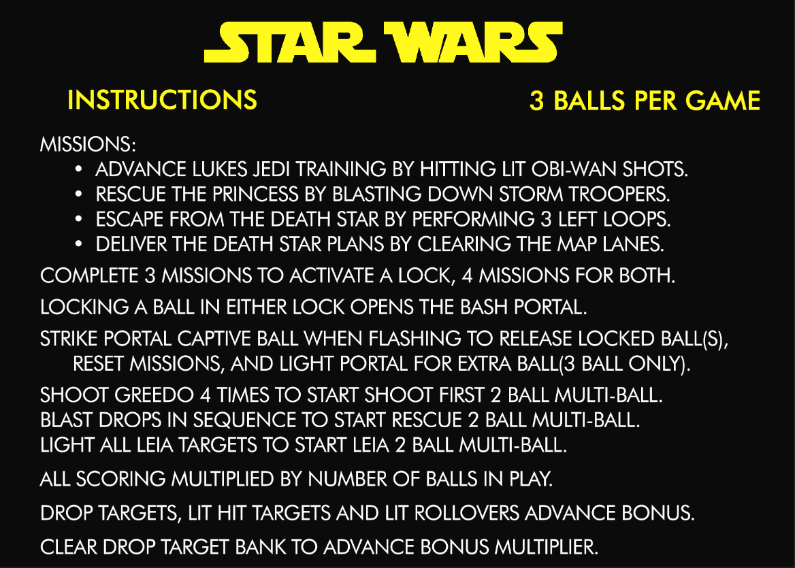
Main Missions
 | Train | (hit 6 lit OBI-WAN shots)

 | Rescue | (knock out all Storm Troopers)

 | Escape | (shoot 3 left loops through Death Star)

 | Deliver | (clear MAP top rollovers)

Standard Multi-Ball Modes
 | Death Star Multiball |  | (complete Train, Rescue, and Deliver missions to qualify)
 |  | jackpots | left orbit
 |  | superjackpots | escape mission

 | Droid Multiball |  | (complete any 3 missions INCLUDING Escape to qualify)
 |  | jackpots | right orbit
 |  | superjackpots | deliver mission

 | Star Wars Multiball |  | (complete all 4 missions to qualify)
 |  | jackpots | orbits
 |  | superjackpots | training mission

Instant 2 ball Multi-Ball Mini-Modes
 | Rescue Multiball |  | (complete drops in order for 2 ball instant multiball)
 |  | jackpots | left orbit
 |  | superjackpots | LEIA mission

 | Greedo Multiball |  | (shoot Greedo 4 times for 2 ball instant multiball)
 |  | jackpots | right orbit
 |  | superjackpots | Greedo standup

 | LEIA Multiball |  | (complete LEIA targets for 2 ball instant multiball)
 |  | jackpots | left orbit
 |  | super jackpots | rescue mission

Other things |  |  |  | Parts Needed:
 |  |  |  |  | 5 white drop targets
 | SUPER DROID (hit pops 25 times) |  |  |  | 5 red stand up targets
 |  | sets pops to 1000 points instead of 100 for remainder of ball |  |  | single smart drop target
 |  |  |  |  | 3 square thick stand up targets for bash
 | SUPER SPINNER (200 spins in a ball) |  |  |  | bash bracket
 |  | sets spinner to 1000 instead of 100 for remainder of ball |  |  | 9?? Rollover wire switches
 |  | 2000 if flashing

